Last Refresh Date & Time
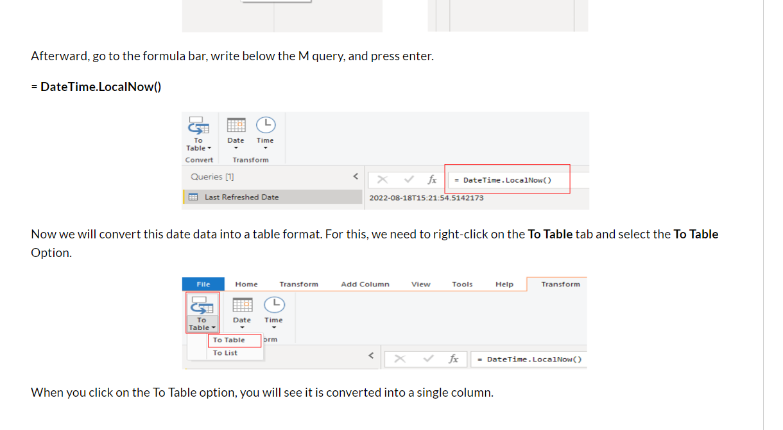
How to Show Last Refresh Date in Power BI
https://blogs.perficient.com/2022/08/24/how-to-show-last-refresh-date-in-power-bi/

= #table(type table[Date Last Refreshed=datetime], {{DateTime.LocalNow()}})

Datediff()
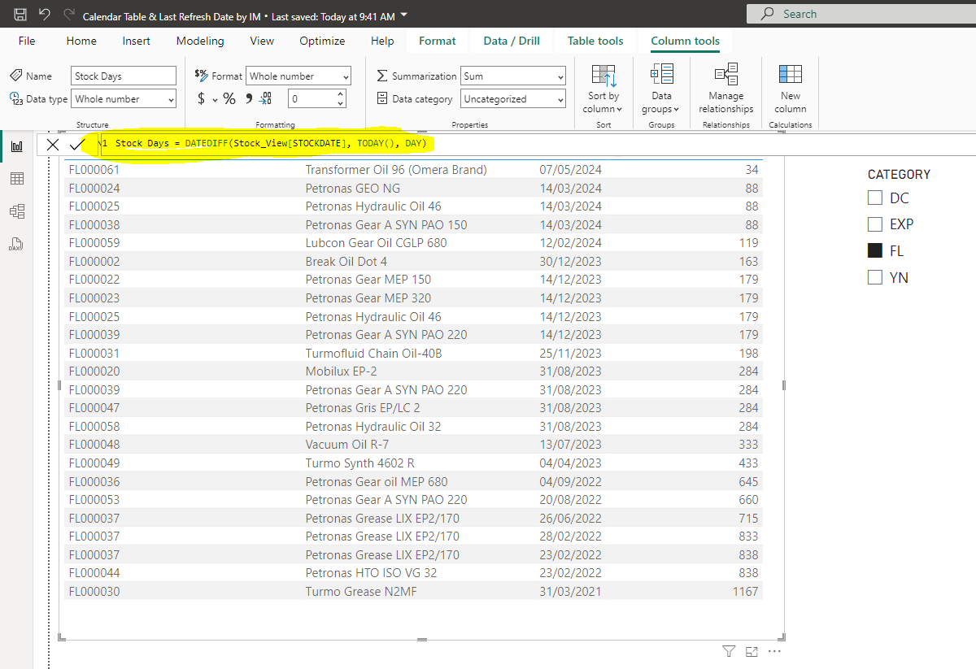
Power BI Date Function DateDiff - How to find the days or months or year between two dates
https://www.youtube.com/watch?v=Mx61QIe40nw

